Sheet1
 | Key PCG Stakeholders S23 Project Funnel

 | Name | Position | Tenure | LinkedIn
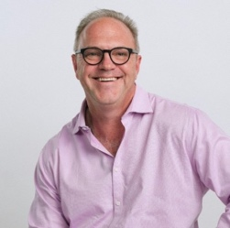 | George Cain Jr (George Michaeo) | CEO | 21.5 years | https://www.linkedin.com/in/georgemcain/
 | Ryan Thies | President and General Manager (Decision-Maker) | 19 years | private
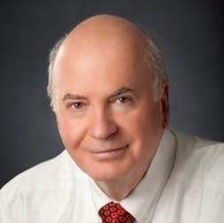 | George Cain Sr | Big Hoss, Father, Paying for project, can be critical | 0 | https://www.linkedin.com/in/georgecainrealtor/
 | Eric Johnson | Runs Costa Rica Call center | ? | private
 | Thomas Olson | National Account Team Lead, Golf and Private Club Specialist | 9 Years | https://www.linkedin.com/in/thomasjolson/
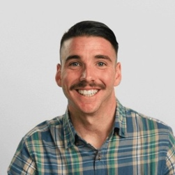 | Eric Wright | Director of National Account Sales | 6 Years | https://www.linkedin.com/in/eric-wright-7343a2117/
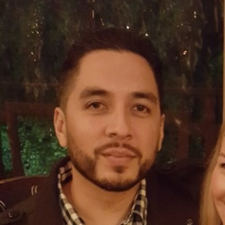 | Aza Villalobos | Sales Director | 14 years | https://www.linkedin.com/in/aza-villalobos-267b0460/
 | Kenneth Grajeda | Senior Account Manager/Commercial Specialist/ Public Viewing Sales Specialist | 13.5 years | https://www.linkedin.com/in/kenneth-grajeda-b534b736/
 | Thomas Matthews | Web Dev and Marketing Consultant, makes biochar on the side | 11 years | https://www.linkedin.com/in/tommathews1/
 | Jonathen Kidd | SEOPologist, website person |  | https://www.linkedin.com/in/johnathon-kidd-919709b0/

